Questionnaire Analysis Report
Questionnaire Analysis Report

 |  |  |  |  | Campus | Count |  |  | College | Count |  | Count
 | Project/study: | Faculty satisfaction |  |  | East | 29 |  |  | Computing | 5 | 0
 | Date: | 13-3-2017 |  |  | West | 7 |  |  | Engineering | 10 | 0
 | No. of respondents: | 36 |  |  | 0 |  |  |  | Languages | 8 | 0
 |  |  |  |  | 0 |  |  |  | Business | 5 | 0
 |  |  |  |  | 0 |  |  |  | Medicine | 8 | 0

 | I am comfortable with the teaching environment
 | 5
 | 20
 | 10
 | 0
 | 1
 | Basic graphical analysis
 | 144
 | 374
 | 205
 | 53
 | 16
 | The teaching schedule is reasonable and fair
 | 4
 | 14
 | 15
 | 3
 | 0
 |  |  | How do you evaluate the following? | Evaluation rates | Scores distribution | Satisfied (5's & 4's) | Dissatisfied (1's & 2's) | Old rates | Trend | Basic graphical analysis
1 |  |  | I am comfortable with the teaching environment | 3.78 |  | 69.4% | 2.8% | 3.74 | p
2 |  |  | The teaching schedule is reasonable and fair | 3.53 |  | 50.0% | 8.3% | 3.54 | q
 | The teaching schedule is reasonable and fair
 | 2
 | 22
 | 8
 | 3
 | 1
3 |  |  | Orientation is adequate and effective | 3.58 |  | 66.7% | 11.1% | 3.48 | p
 | The teaching schedule is reasonable and fair
 | 5
 | 12
 | 15
 | 4
 | 0
4 |  |  | Labs are equipped with instruments & safety equipment | 3.50 |  | 47.2% | 11.1% | 3.54 | q
 | The library resources and services are adequate
 | 2
 | 15
 | 11
 | 6
 | 2
5 |  |  | The library resources and services are adequate | 3.25 |  | 47.2% | 22.2% | 3.35 | q
 | I am satisfied with my teaching load
 | 4
 | 12
 | 10
 | 7
 | 3
6 |  |  | I am satisfied with my teaching load | 3.19 |  | 44.4% | 27.8% | 3.02 | p
 | I am satisfied with the research facilities
 | 1
 | 11
 | 10
 | 10
 | 4
 | Campus
East | 29
West | 7
0 | 0
0 | 0
0 | 0
7 |  |  | I am satisfied with the research facilities | 2.86 |  | 33.3% | 38.9% | 2.67 | p
 | I am satisfied with communication at the department level
 | 14
 | 16
 | 5
 | 1
 | 0
8 |  |  | I am satisfied with communication at the department level | 4.19 |  | 83.3% | 2.8% | 3.83 | p
 | I am satisfied with the e-learning management system
 | 10
 | 18
 | 7
 | 1
 | 0
9 |  |  | I am satisfied with the e-learning management system | 4.03 |  | 77.8% | 2.8% | 3.85 | p
 | I am satisfied with the services provided by IT
 | 10
 | 16
 | 8
 | 2
 | 0
10 |  |  | I am satisfied with the services provided by IT | 3.94 |  | 72.2% | 5.6% | 3.74 | p
 | I am satisfied with the services provided by IT
 | 13
 | 18
 | 5
 | 0
 | 0
11 |  |  | The University is clean in general | 4.22 |  | 86.1% | 0.0% | 3.96 | p
 | Facility and maintenance services are adequate
 | 2
 | 16
 | 16
 | 1
 | 1
12 |  |  | Facility and maintenance services are adequate | 3.47 |  | 50.0% | 5.6% | 3.43 | p
 | The cafeteria serves healthy and nutritious meals
 | 2
 | 23
 | 11
 | 0
 | 0
13 |  |  | The cafeteria serves healthy and nutritious meals | 3.75 |  | 69.4% | 0.0% | 3.59 | p
 | Administrative policies are clear and accessible
 | 8
 | 17
 | 9
 | 2
 | 0
14 |  |  | Administrative policies are clear and accessible | 3.86 |  | 69.4% | 5.6% | 3.65 | p
 | I am satisfied with the services of the HR Department
 | 5
 | 22
 | 7
 | 2
 | 0
15 |  |  | I am satisfied with the services of the HR Department | 3.83 |  | 75.0% | 5.6% | 3.48 | p
 | I am satisfied with the services of the HR Department
 | 3
 | 18
 | 12
 | 3
 | 0
16 |  |  | The housing scheme is suitable and sufficient | 3.58 |  | 58.3% | 8.3% | 3.13 | p
 | The medical insurance plan is sufficient and suitable
 | 7
 | 16
 | 12
 | 1
 | 0
17 |  |  | The medical insurance plan is sufficient and suitable | 3.81 |  | 63.9% | 2.8% | 3.72 | p
 | Travel support is sufficient
 | 6
 | 19
 | 9
 | 1
 | 1
18 |  |  | Travel support is sufficient | 3.78 |  | 69.4% | 5.6% | 3.54 | p
 | I am aware of the University’s mission and goals
 | 13
 | 19
 | 3
 | 1
 | 0
19 |  |  | I am aware of the University’s mission and goals | 4.22 |  | 88.9% | 2.8% | 4.26 | q
 | I feel my work is appreciated at the University
 | 6
 | 15
 | 11
 | 2
 | 2
20 |  |  | I feel my work is appreciated at the University | 3.58 |  | 58.3% | 11.1% | 3.48 | p
 | I see myself working here after two years
 | 11
 | 21
 | 4
 | 0
 | 0
0 | 0
0 | 0
0 | 0
0 | 0
0 | 0
21 |  |  | I see myself working here after two years | 4.19 |  | 88.9% | 0.0% | 3.91 | p
 | I see myself working here after two years
 | 11
 | 14
 | 7
 | 3
 | 1
22 |  |  | I feel management is aware of the current challenges | 3.86 |  | 69.4% | 11.1% | 3.72 | p
 | I see myself working here after two years
 | 0
 | 0
 | 0
 | 0
 | 0
23
 | 0
 | 0
 | 0
 | 0
 | 0
24
 | 0
 | 0
 | 0
 | 0
 | 0
25
 | 0
 | 0
 | 0
 | 0
 | 0
26
 | 0
 | 0
 | 0
 | 0
 | 0
27
 |  |  |  | 3.73 |  |  |  | 3.57 | p

Advanced graphical and statistical analysis
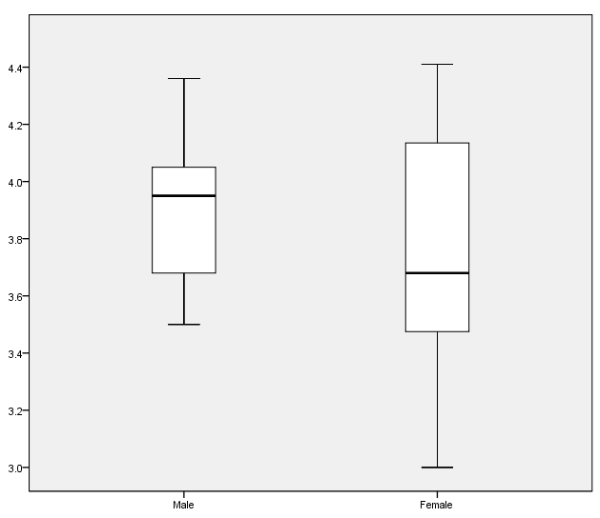
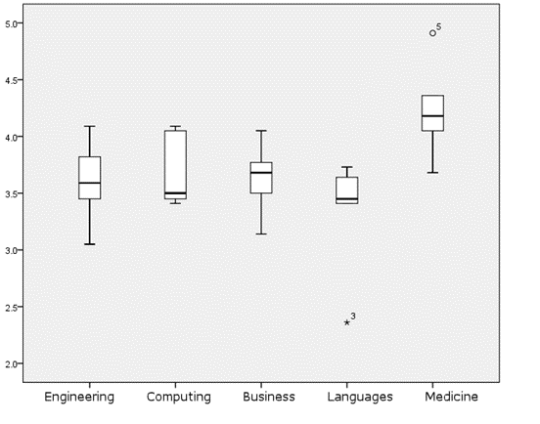

Comments/Conclusion:

Continuous Improvement Toolkit . www.citoolkit.com

